Sheet1
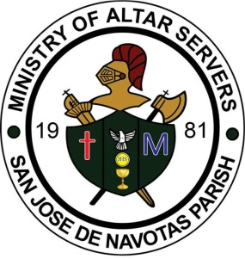
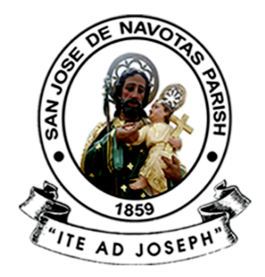
 | SAN JOSE DE NAVOTAS PARISH
 | M. Naval St., San Jose, Navotas City

 | MINISTRY OF ALTAR SERVERS

 | 2017-01-22
 | Year of the Parish as Communion of Communities

 | To : ALL MEMBERS AND OFFICERS OF THE MINISTRY,
 | PARENTS, ALUMNI, AND PEOPLE OF GOD

 | From : SIR NINO RAPHAEL CRUZ
 | Coordinator, Ministry of Altar Servers
 | Subject : NEW OFFICIAL LIST OF NAMES OF THE MINISTRY

===========================================================================
 | Pagbati ng kapayapaan!

 | Malugod pong ipinababatid sa lahat ang bagong listahan ng mga pangalan ng 47 na
 | miyembro ng aming ministry para sa M.Y. 2016 – 2017. Sila po ay sina:

